Sheet1
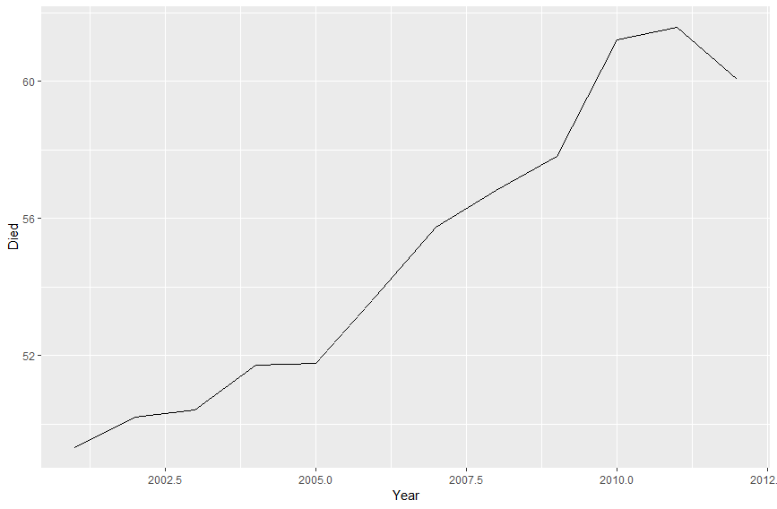
 | Year | Died
1 | 2001 | 49.32383694
2 | 2002 | 50.20960081
3 | 2003 | 50.42060042
4 | 2004 | 51.71799019
5 | 2005 | 51.76998435
6 | 2006 | 53.72440109
7 | 2007 | 55.75765383
8 | 2008 | 56.83093398
9 | 2009 | 57.8203275
10 | 2010 | 61.20260711
11 | 2011 | 61.57220034
12 | 2012 | 60.05697257

